Sheet1
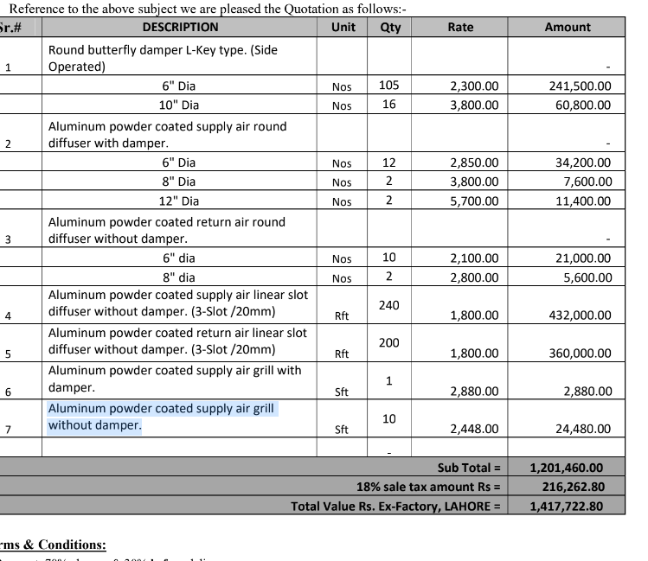

M/S EAP |  |  |  |  | 1-Jun-24

Att: Mr. Adnan

Purchase Order (J Outlet Dolmen Mall Lahore)

S No. | D e s c r i p t i o n | Qty | Unit | Rate | Amount
1 | Round butterfly damper L-Key type. (Side Operated) |  |  |  | 0
 | 6" Dia | 105 | Nos | 2,300 | 241,500
 | 10" Dia | 16 | Nos | 3,800 | 60,800
2 | Aluminum powder coated supply air round diffuser with damper.
 | 6" Dia | 12 | Nos | 2,850 | 34,200
 | 8" Dia | 2 | Nos | 3,800 | 7,600
 | 12" Dia | 2 | Nos | 5,700 | 11,400
3 | Aluminum powder coated return air round diffuser without damper.
 | 6" Dia | 10 | Nos | 2,100 | 21,000
 | 8" Dia | 2 | Nos | 2,800 | 5,600
4 | Aluminum powder coated supply air linear slot diffuser without damper. (3-Slot /20mm) | 240 | Nos | 1,800 | 432,000
5 | Aluminum powder coated return air linear slot diffuser without damper. (3-Slot /20mm) | 200 | Nos | 1,800 | 360,000
6 | Aluminum powder coated supply air grill with damper. | 1 | Nos | 2,880 | 2,880
7 | Aluminum powder coated supply air grill without damper. | 10 | Nos | 2,448 | 24,480
 |  | TOTAL: |  |  | 1,201,460
 |  | Discount 10% |  |  | 120,146
 |  | After Discount |  |  | 1,081,314

Note: Above PO is subject to approval from the consultant.

for PIONEER ENGINEERING SERVICES

